Q4FY22
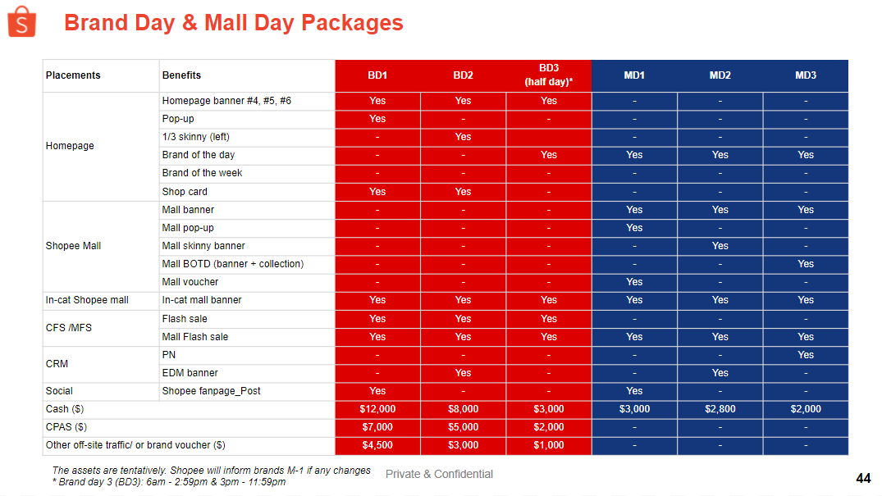
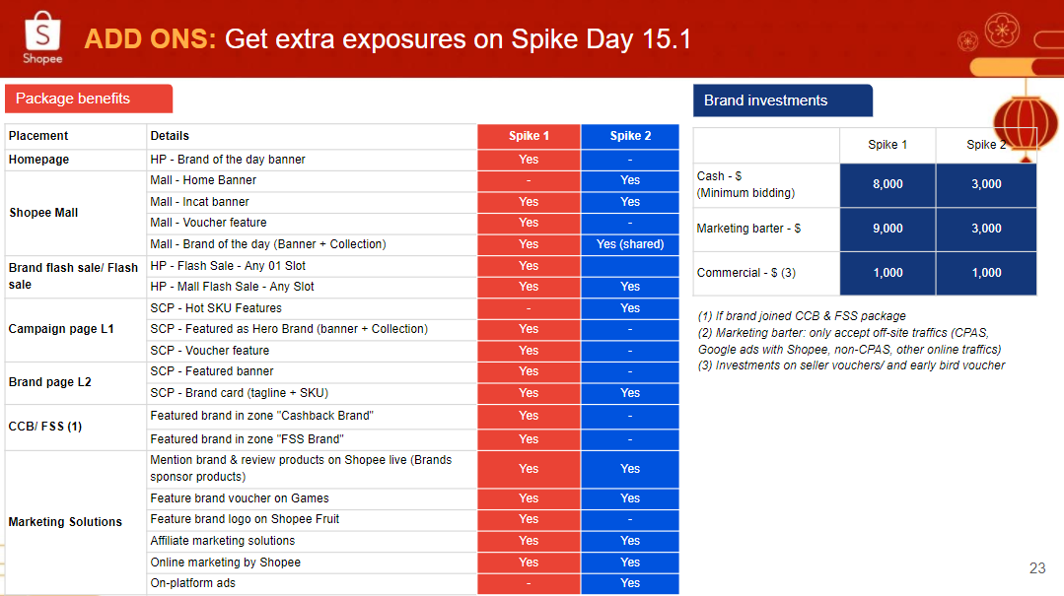
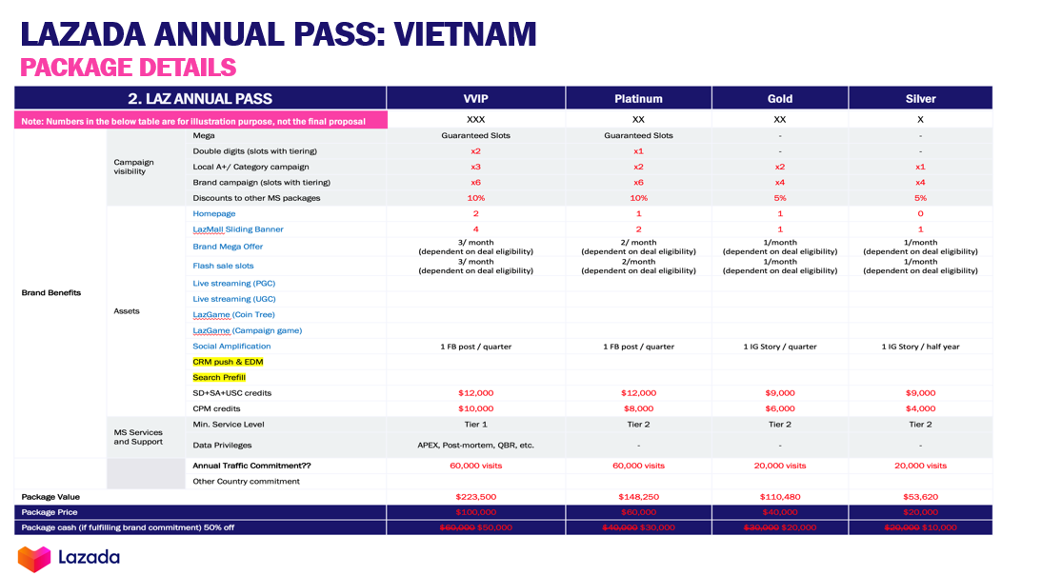
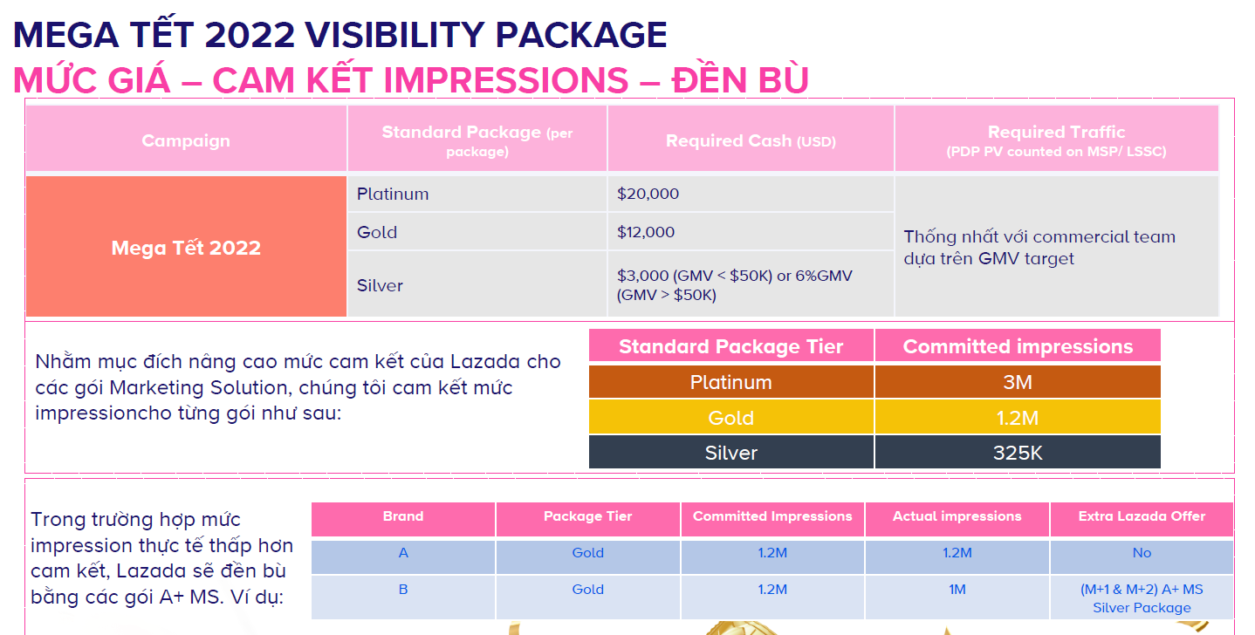
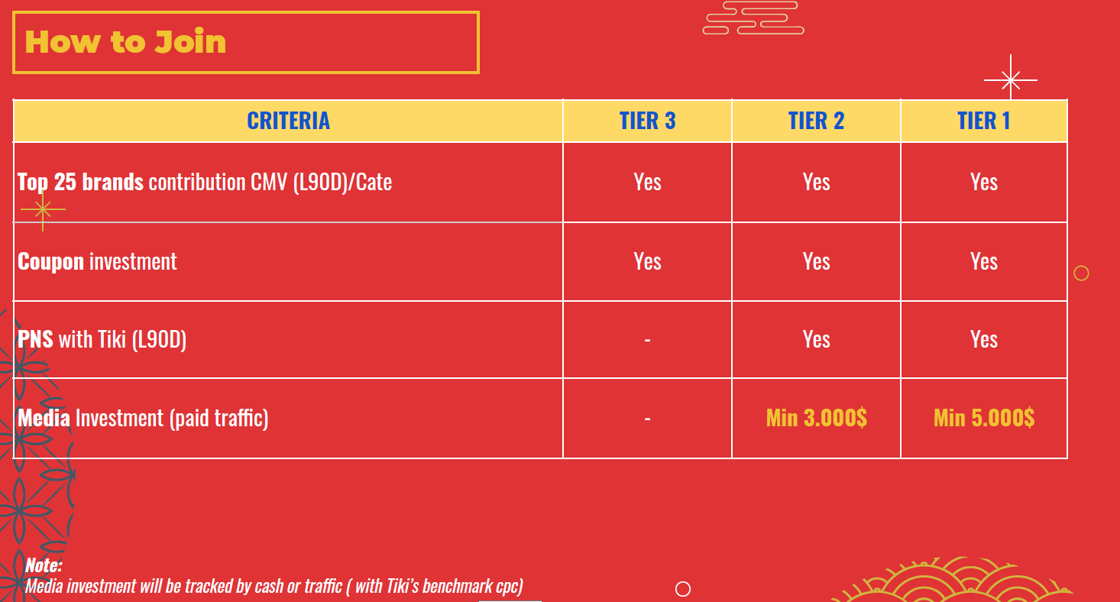
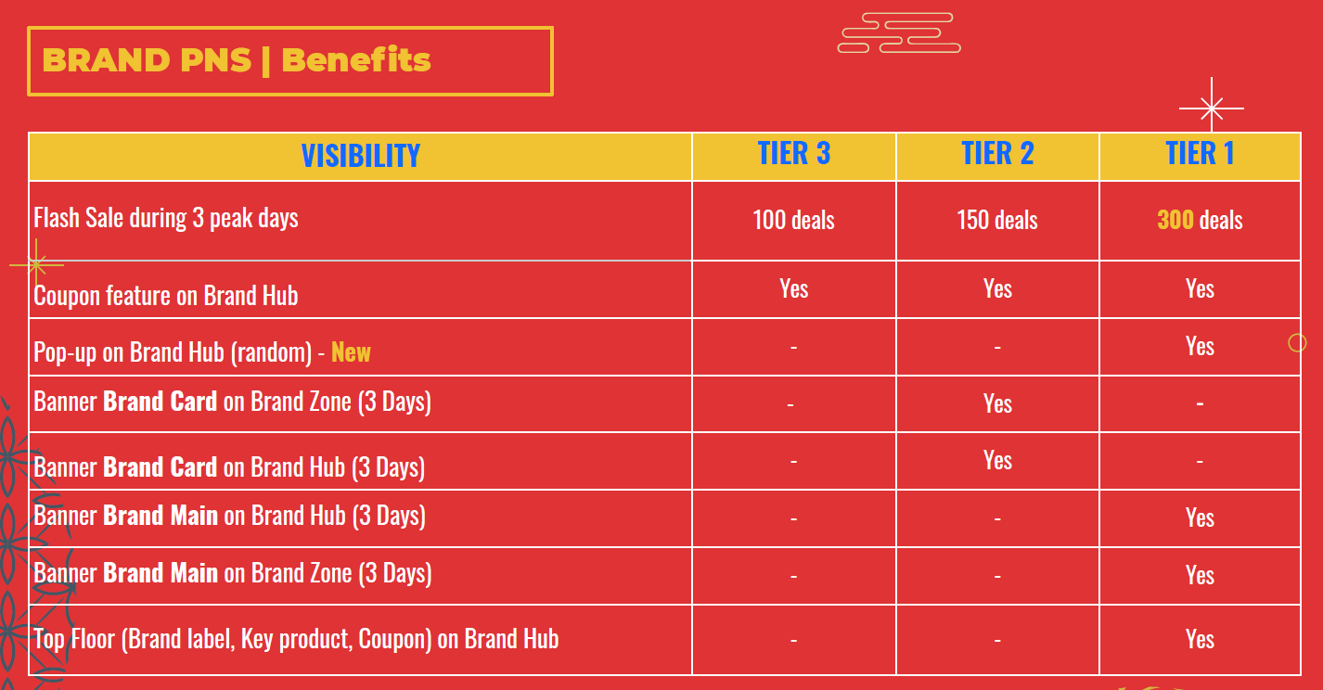
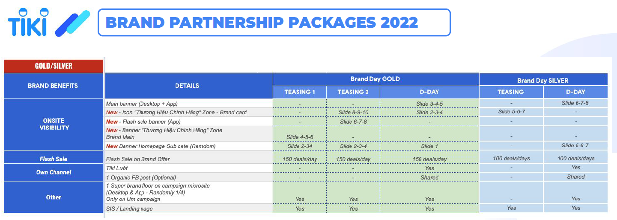
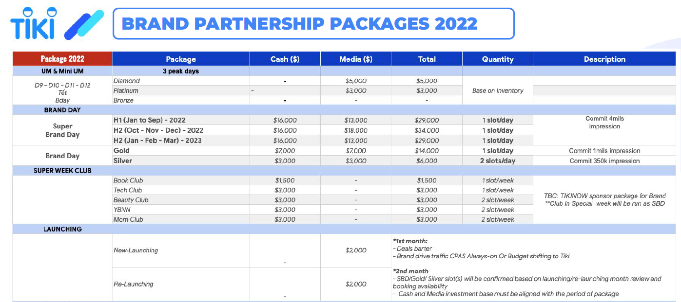
0. Summarize Q3 Landscape

 |  | PW | Gaming
 | DCS | 1,124,500 | 225,500
 | Marcom | 28,223 | 24,036
 | % Utilize | 2.5% | 10.7%

1. Breakdown by category
 |  |  |  | Fund | Color | Total
 |  |  |  | MDF | In Black | $32,564
 |  |  |  | Marcom | In Blue | $32,361

 | Shopee |  |  | Lazada |  |  | Tiki
 | Tet Campaign 15.1 | 14.02 | 3.3 & 8.3 theme | Tet Campaign 5 - 14.1 | 14.02 | LZD Birthday 27 - 29.3 | Tet Campaign 11.1 | Feb | 3.3
GMV Target | 200,000 | 130,000 | 250,000 | 160,000 | 100,000 | 230,000 | 75,000 | 55,000 | 120,000
In Plat-form search | 1,854 | 1,236 | 1,854 | 1,265 | 1,265 | 2,151 |  |  | 1,898
Visibilities | 6,930 |  | 3,465 | 1,848 |  | 5,891 | 3,795 |  | 3,795
Paid Media | 3,795 |  | 3,795 | 2,500 |  | 4,000 | 3,795 |  | 3,795
Combo Gift | 3,300
Design fee | 2,700
Total | 64,925

2. Breakdown by category - Marcom

 | PW | Gaming
Paid Media | 10,840 | 10,840
Combo Gift | 1,650 | 1,650
Design fee | 1,350 | 1,350
In Plat-form search | 2,340 | 2,340
Total | 16,180 | 16,180

3. Breakdown by strategy and Focus SKU

Strategy | Mainstream | Lifestyle | MX - Apple | Personal Collab | Total MDF & Marcom
Tactics | Promote M220 bundle with MousePad | Promote Studio Serries, K380 M350 in 14.2 & 8.3 | Focus on MX 2s, Folio and For Mac SKUs | Combo webcam & Heaset
Budget | 9,739 | 12,985 | 4,869 | 4,869 | $32,462
Contribution | 30% | 40% | 15% | 15%
Focus SKU | B170, M186 M220, M191 M330, M585 Online MK | M350 & K380 K580, MK470 POPs combo Studio Series combo | MX 2s MX 3 for Mac Folio MX Keys Mini | Combo C920 | C615 + H340 Low-end webcam

Strategy | Core | Social Gamers | Pro | Total Marcom Gaming
Tactics | Co-brand with male focus audience for Wired & Wireless Core | Push co-brand with gen Z audience-brands | High-value gift with purchase
Budget | 12,985 | 11,362 | 8,116 | $32,462
Contribution | 40% | 35% | 25% | 100%
Focus SKU | G102, G213, G304 G502, G512 G502 WL, G913 TKL, G733 | G435, G335, G333, KDA, Pro LOL | Superlight, Pro Wireless, Pro X Keyboard, Pro X headset

4. Breakdown by type of investment in Online
 | *off all activities from mid of July - end of August
ONL VN | Q4FY22 (USD) | % of Spend
Total | 62,225 | 100%
Off-platform Traffic | 21,680 | 35%
Platform Display | 25,724 | 41%
Platform Search | 11,521 | 19%
Platform Conversion | 3,300 | 5%

5. Appendix

